01_f=2.00m
Arch height | 2.00 | m |  | IMPORTANT: red numbers are the values that the user should vary during each iteration

B |  | m
H |  | m

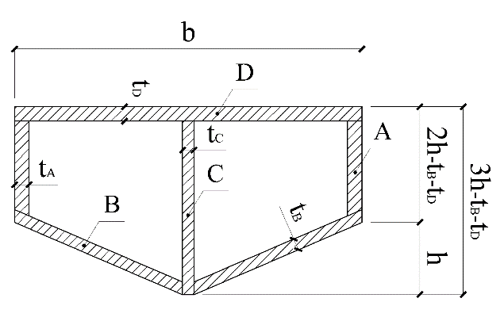
A_tot | 0.000 | m^2 | A_tot refers to half of the total area of the arch cross-section, including the empty spaces, thus an area determined by the sum of a rectangle and a triangle (approximately)
b | 0.700 | m
h | 0.170 | m
 |  |  |  |  |  |  |  | thickness (m) | length (m) | Area (m^2)
A_triangle | 0.119 | m^2 |  |  |  |  | Plate_A | 0.050 | 0.25 | 0.013
A_rectangle | 0.238 | m^2 |  |  |  |  | Plate_B | 0.040 | 0.720 | 0.029
 |  |  |  |  |  |  | Half plate_C | 0.020 | 0.460 | 0.009
A_tot_calcolated | 0.357 | m^2 | OK |  |  |  | Half plate_D | 0.050 | 0.700 | 0.035
 |  |  |  |  |  |  |  | tot. (half arch area) |  | 0.086
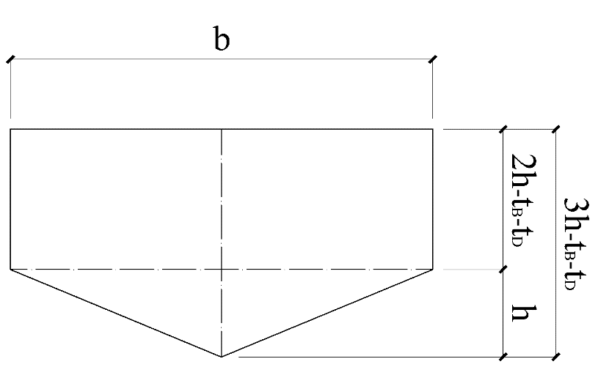
 |  |  |  |  |  |  |  | tot. arch area |  | 0.171

 |  |  |  |  |  |  | CHECK |  | It's the area calculated considering the rectangular section with two holes
 |  |  |  |  |  |  | Calculated area |  | m^2 | OK
 |  |  |  |  |  |  | Buckling multip. | 8.07

 |  |  |  |  |  |  | Effective area calculated in Strand7 → |  |  | 0.169 | m^2

 |  |  |  | In-plane buckling analysis |  |  |  |  | Out-of-plane buckling analysis |  |  |  | In-plane stability check
fyk | 355000 | kN/m^2 |  | Temp | 107.79773945 |  |  |  | β1 | 0.5 |  |  | 0.56 | OK
f | 2 | m |  | f/l | 0.030769230769 |  |  |  | β2 | 0.65
Ned | 22458 | kN |  | K | 35 |  | OK |  | Ncr_out-of-plane | 148746 | kN | OK | Out-of-plane stability check
Amin | 0.0575 | m2 |  |  |  |  |  |  |  |  |  |  | 0.54 | OK
Deck length | 65 | m |  | s | 32.56 | m |  |  | α | 0.49
E | 210000000 | kN/m^2 |  | β | 0.28 |  |  |  | λ | 0.63587726526
L | 65 | m |  | Ncr_in-plane | 127846 | kN | OK |  | Ф | 0.80895987823
 |  |  |  |  |  |  |  |  | χ | 0.7639208958 |  | OK
ϑ | 13.93 | ° |  | α | 0.49
r | 267.95 | m |  | λ | 0.68588864813
C | 1682.73 | m |  | Ф | 0.85426433761
S | 65.13 | m |  | χ | 0.73340489895 |  | OK

Iy | 0.03206 | m^4
Ix | 0.00513 | m^4

